Sheet1
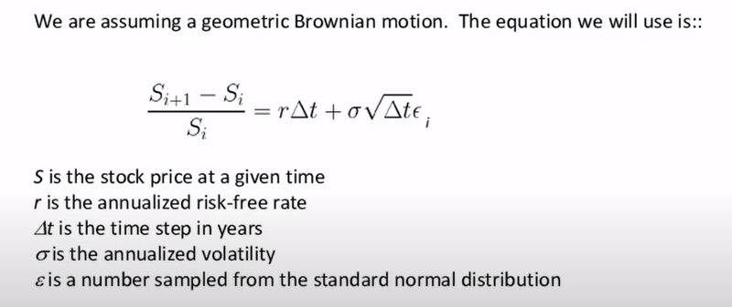

Sigma | 0.3
dt | 1/252
rfr | 0.01
stock price s0 | 110

Runs | 300
sum | 82
pctage | 0.27333333333

